medusa_threads=4_res
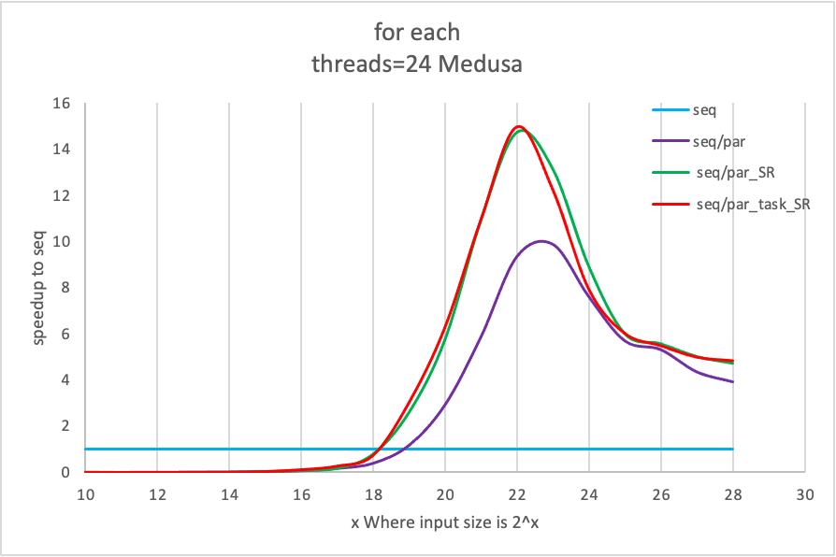
做的是不带<>号的 test(); 每次换threads之前都make clean

for each threads=4 Medusa

speedup to seq
x Where input size is 2^x | seq | seq/par | seq/par_SR | seq/par_task_SR
10 | 1 | 0.00191622 | 0.0188529 | 0.00641743
11 | 1 | 0.0133028 | 0.0101593 | 0.0110407
12 | 1 | 0.0190171 | 0.0184614 | 0.0184896
13 | 1 | 0.0407086 | 0.0361248 | 0.0364445
14 | 1 | 0.0733927 | 0.0681804 | 0.0690153
15 | 1 | 0.161672 | 0.302034 | 0.449676
16 | 1 | 0.307922 | 0.691967 | 0.679707
17 | 1 | 0.538612 | 1.04357 | 0.995651
18 | 1 | 0.998047 | 1.54926 | 1.49672
19 | 1 | 1.78453 | 2.16869 | 2.18568
20 | 1 | 2.50214 | 2.70481 | 2.7294
21 | 1 | 3.28879 | 3.18703 | 3.21504
22 | 1 | 2.86001 | 3.13604 | 3.1487
23 | 1 | 3.21068 | 3.04501 | 3.05387
24 | 1 | 2.65926 | 2.61644 | 2.62664
25 | 1 | 2.50521 | 2.43784 | 2.4204
26 | 1 | 2.42265 | 2.4102 | 2.41224
27 | 1 | 2.38838 | 1.98603 | 1.70271
28 | 1 | 2.52708 | 2.53514 | 2.53587

